Plan
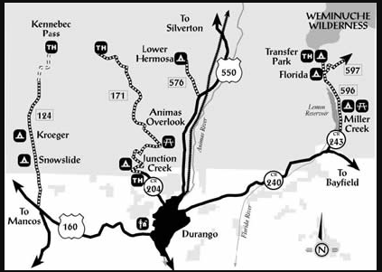
 | Nights | Days | Timeline | May 29th | Land Time = 4:04pm
Shelf Road | 4 | 3 | May 29th- June 2nd |  | Shelf Road
Durango Area | 5 | 4 | June 2nd-June 7th | May 30th | Shelf Road
Buena Vista | 1 | 1 | June 7th-June 8th
 |  |  |  | May 31st | Shelf Road

 |  |  |  | June 1st | Shelf Road
94 days to go!
 |  |  |  | June 2nd | Shelf Road | Research for Durango Area:
 |  |  |  |  | 6 hours 25 minutes (11am depature) | https://matadornetwork.com/life/5-mindblowing-wilderness-options-durango-colorado/
 |  |  |  | June 3rd | Durango Area | X rock | https://www.mountainproject.com/area/105820409/x-rock
 |  |  |  |  |  | east animas | https://www.mountainproject.com/area/105819668/east-animas
 |  |  |  | June 4th | Durango Area | pool wall | https://www.mountainproject.com/area/105965462/the-pool-wall
 |  |  |  |  |  | the aclove | https://www.mountainproject.com/area/110012643/the-alcove
 |  |  |  | June 5th | Durango Area | Silverton | https://www.mountainproject.com/area/106444659/silverton-area
 |  |  |  |  |  | Ice Lake Basin
 |  |  |  | June 6th | Durango Area | Fourteeners

 |  |  |  | June 7th | Durango Area
 |  |  |  |  | 5 hours 33 minutes( whenever departure) | silverton camp grounds
 |  |  |  | June 8th | Buena Vista | https://www.fs.usda.gov/recarea/sanjuan/recarea/?recid=43238 |  |  |  | first come first serve - $30
 |  |  |  |  | Airport Arrival~9pm | http://molaslake.com/camping.html |  | $20 per night | -reserve ahead
 |  |  |  |  |  | lower hermosa | no water $15

